Monthly Sales Data_Descriptive
Monthly Sales Data
 | Month | Petrol | Diesel | HSP
 | Apr-09 | 31861 | 149389 | 31616
 | May-09 | 33064 | 165037 | 33098
 | Jun-09 | 33568 | 180344 | 31780
 | Jul-09 | 28994 | 130538 | 27186
 | Aug-09 | 29333 | 113378 | 27286
 | Sep-09 | 29892 | 113739 | 26818
 | Oct-09 | 33126 | 209108 | 29399
 | Nov-09 | 33732 | 182410 | 28645
 | Dec-09 | 33220 | 137201 | 28637
 | Jan-10 | 32447 | 146026 | 27850
 | Feb-10 | 31754 | 144851 | 26478
 | Mar-10 | 35581 | 168637 | 29303
 | Apr-10 | 36011 | 204371 | 28238
 | May-10 | 42948 | 168354 | 33479
 | Jun-10 | 41452 | 204121 | 31635
 | Jul-10 | 39148 | 165381 | 29053
 | Aug-10 | 37322 | 119496 | 27918
 | Sep-10 | 35216 | 116634 | 25092
 | Oct-10 | 39154 | 215199 | 28734
 | Nov-10 | 43104 | 189619 | 31381
Total Monthly Sales
 | Dec-10 | 42179 | 167819 | 28907
 | Jan-11 | 45558 | 168677 | 28295
 | Feb-11 | 41215 | 179027 | 26604
 | Mar-11 | 45586 | 194278 | 27291
 | Apr-11 | 45401 | 223372 | 27827
 | May-11 | 49192 | 238000 | 31074
 | Jun-11 | 42026 | 177494 | 25253
 | Jul-11 | 39772 | 135318 | 24507
 | Aug-11 | 38536 | 99716 | 24558
 | Sep-11 | 36093 | 125061 | 22725
 | Oct-11 | 41383 | 188749 | 26083
 | Nov-11 | 41495 | 236523 | 23984
 | Dec-11 | 40405 | 197639 | 22773
 | Jan-12 | 42360 | 164944 | 24045
 | Feb-12 | 42019 | 168544 | 25105
 | Mar-12 | 43751 | 167551 | 26953
 | Apr-12 | 48873 | 181703 | 30346
 | May-12 | 46944 | 201045 | 27564
 | Jun-12 | 48842 | 217812 | 28008
 | Jul-12 | 38155 | 151861 | 22535
 | Aug-12 | 36350 | 110117 | 21630
 | Sep-12 | 38321 | 114250 | 20602
 | Oct-12 | 44878 | 203975 | 20675
 | Nov-12 | 47397 | 203538 | 22853
 | Dec-12 | 45485 | 180126 | 20708
 | Jan-13 | 45400 | 173754 | 20243 | Average | Petrol | Diesel | HSP
 | Feb-13 | 41035 | 154222 | 19210 | Before Renovation | 46320 | 159662 | 24112
 | Mar-13 | 46108 | 154496 | 19415 | After Renovation | 109980 | 163666 | 10917
 | Apr-13 | 52999 | 186611 | 21688 | % Change | 137% | 3% | -55%
 | May-13 | 63387 | 208187 | 25741
 | Jun-13 | 51630 | 197188 | 18428
Average Sales
 | Jul-13 | 53212 | 106581 | 20294
 | Aug-13 | 48501 | 115054 | 18805
 | Sep-13 | 52732 | 126459 | 19645
 | Oct-13 | 55066 | 203420 | 17626
 | Nov-13 | 53870 | 167745 | 17558
 | Dec-13 | 51887 | 129916 | 17652
 | Jan-14 | 52099 | 103613 | 16519
 | Feb-14 | 52036 | 106412 | 16850
 | Mar-14 | 56911 | 136289 | 17090
 | Apr-14 | 61921 | 146829 | 17301
 | May-14 | 66445 | 149699 | 20739
 | Jun-14 | 69795 | 165751 | 20827
 | Jul-14 | 60251 | 121644 | 17083
 | Aug-14 | 60853 | 90240 | 21815
 | Sep-14 | 56184 | 114425 | 21146
 | Oct-14 | 67258 | 174737 | 27604
 | Nov-14 | 60163 | 173439 | 24882
 | Dec-14 | 69133 | 131073 | 19496
 | Jan-15 | 77,661 | 104,597 | 17,150
 | Feb-15 | 71,273 | 119,503 | 15,201
Renovations | Mar-15 | 64,078 | 112,798 | 11,550
 | Apr-15 | 81,857 | 140,505 | 9,505
 | May-15 | 111,832 | 184,527 | 10,110
 | Jun-15 | 122,617 | 206,393 | 11,296
 | Jul-15 | 104,650 | 137,973 | 10,944
 | Aug-15 | 100,541 | 128,200 | 13,905
 | Sep-15 | 110,441 | 185,919 | 15,029
 | Oct-15 | 126,279 | 232,151 | 14,145
 | Nov-15 | 137,375 | 223,190 | 11,367
 | Dec-15 | 112,993 | 160,290 | 11,287
 | Jan-16 | 102,289 | 132,146 | 10,846
 | Feb-16 | 97,823 | 133,871 | 9,064
 | Mar-16 | 108,273 | 140,204 | 10,626
 | Apr-16 | 118,033 | 143,070 | 7,158
 | May-16 | 104,723 | 142,884 | 7,558

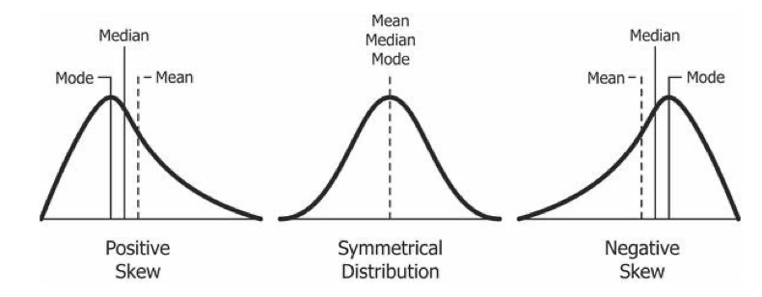
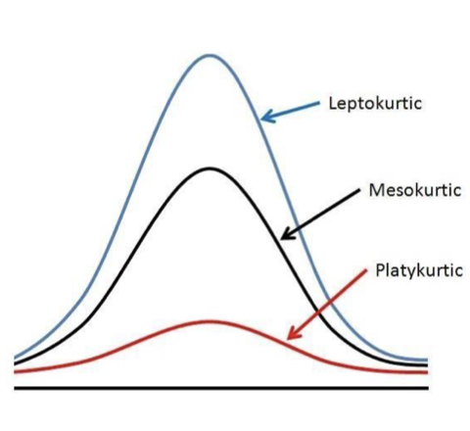
Count | 86
Sum |  | 4874757 | 13786977 | 1888929

CENTRAL TENDENCY | Mean | 56683.22093 | 160313.68605 | 21964.290698
 | Median | 46526 | 164990.5 | 22630
 | Mode | #N/A | #N/A | #N/A

VARIATION | Min | 28994 | 90240 | 7158
 | Max | 137375 | 238000 | 33479

 | Ouartile-Min-0 | 28994 | 90240 | 7158
 | Quartile-25-1 | 39308.5 | 130671.75 | 17365.25
 | Quartile-50-2 | 46526 | 164990.5 | 22630
 | Quartile-75-3 | 63020.5 | 186438 | 27594
 | Quartile-Max-4 | 137375 | 238000 | 33479

 | Percentile-0-Min | 28994 | 90240 | 7158
 | Percentile-10 | 33394 | 113558.5 | 11291.5
 | Percentile-25 | 39308.5 | 130671.75 | 17365.25
 | Percentile-50 | 46526 | 164990.5 | 22630
 | Percentile-75 | 63020.5 | 186438 | 27594
 | Percentile-90 | 104686.5 | 207290 | 29351
 | Percentile-100-Max | 137375 | 238000 | 33479

 | Range | 108381 | 147760 | 26321
 | Population Variance | 686529944.64 | 1340156707.5 | 45056879.509
 | Sample Variance | 694606767.52 | 1355923257 | 45586960.444

 | Population Stand Dev | 26201.716444 | 36608.150834 | 6712.4421419
 | Sample Stand Dev | 26355.393519 | 36822.863237 | 6751.8116416

SHAPES | Skewness | 1.4555765746 | 0.16313702812 | -0.41451999451
 | Kurtosis | 1.1463974417 | -0.89385015364 | -0.74626263693

 | Skewness Positive means Skewed Right Side (Long Tail on Right Side) and vice versa. [0 means Normal Distribution]

 | Kurtosis more than 3 means Steeper (Longer than Normal Distribution) and vice versa. [3 means Normal Distribution]

